Sheet1
Sl. No | Molecule | Molecule ID | Smile | Molecular Weight | Log p | H-bond ac | H-bond do | ROS | Image | Deviation Lipinski | Drug likeliness/pharmacokinetics | Structure of the molecule & its functional group | Synthesis protocol | IC50 | Conclude based on liphophilicity, solublity etc

1.) | C50H71N13O12 | CHEMBL408403 | CC[C@H](C)[C@H](NC(=O) [C@H](Cc1ccc(O)cc1)NC (=O)[C@@H](NC(=O)[C@H] (CCCNC(=N)N)NC(=O) [C@@H](N)CC(=O)O)C(C)C) C(=O)N[C@@H](Cc1cnc[nH]1) C(=O)N1CCC[C@H]1C(=O)N[C@@H] (Cc1ccccc1)C(=O)O | 1046.2 | 3.85 | 1 | 2 | 0 | 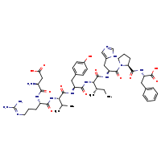 | 0 | GI absorption : High BBB permeant : Yes P-gp substrate : No CYP1A2 inhibitor : No CYP2C19 inhibitor : No CYP2C9 inhibitor : No CYP2D6 inhibitor : No CYP3A4 inhibitor : No Log Kp (skin permeation) : -6.12 cm/s Lipinski Yes; 0 violation Ghose No; 2 violations: MW<160, MR<40 Veber Yes Egan Yes Muegge No; 1 violation: MW<200 Bioavailability Score 0.55 | 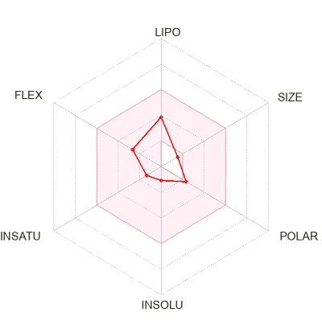 | 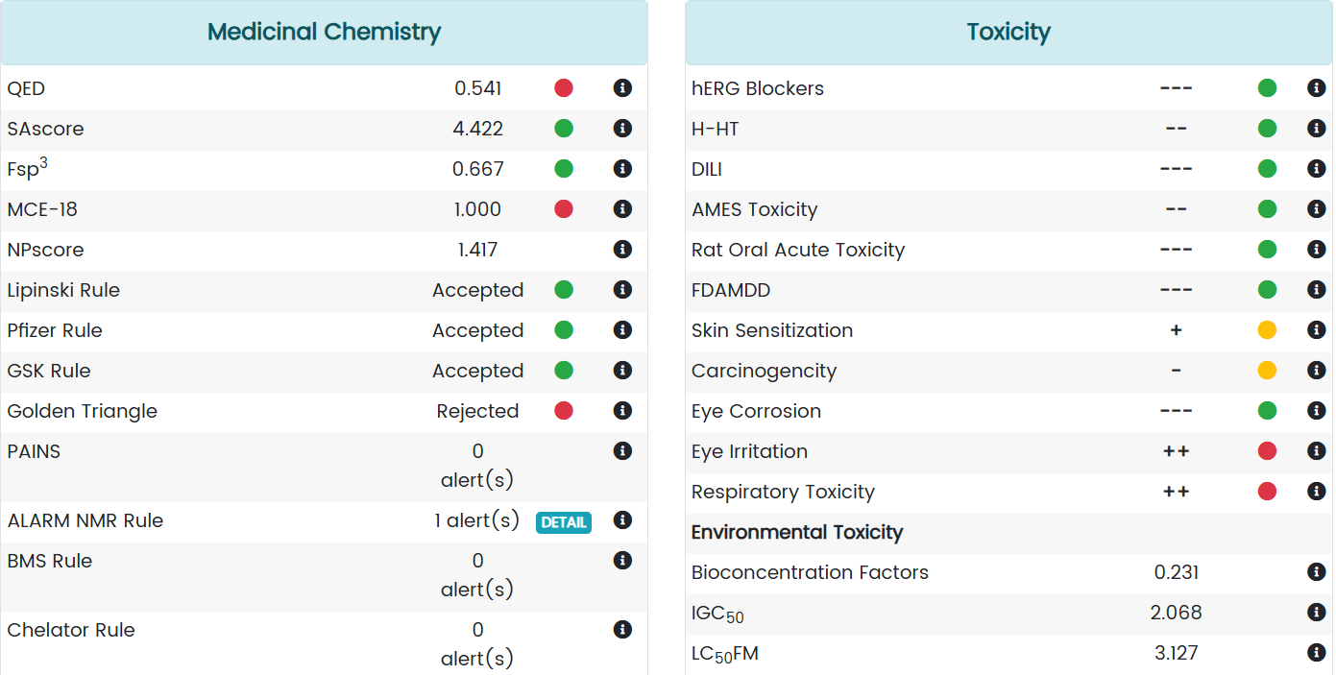 | Nil | 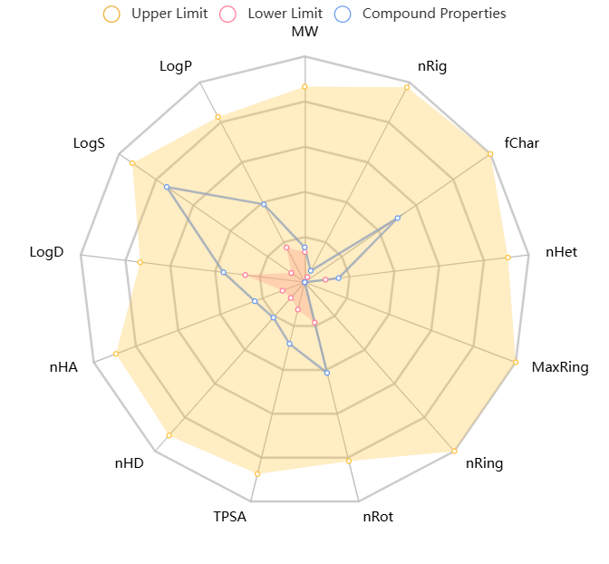

2.) | C44H67N13O12 | CHEMBL385433 | CC[C@H](C)[C@H](NC(=O) [C@H] (Cc1ccc(O)cc1)NC(=O)[C@@H] (NC(=O)[C@H](CCCN=C(N)N)NC (=O)[C@H](N)CC(=O)O)C(C)C)C (=O)N[C@@H](Cc1c[nH]cn1)C(=O) N1CCC[C@H]1C(=O)N[C@@H] (Cc1ccccc1)C(=O)O | 1023.7 | 3.45 | 2 | 2 | 0 | 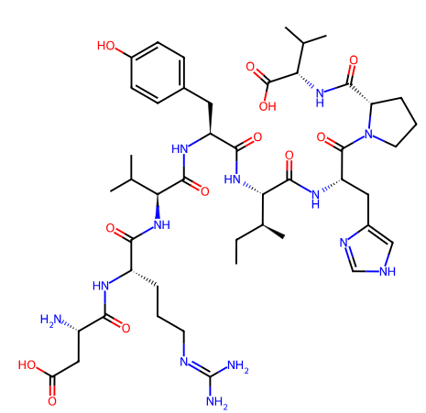 | 0 | GI absorption High BBB permeant Yes P-gp substrate No CYP1A2 inhibitor No CYP2C19 inhibitor No CYP2C9 inhibitor No CYP2D6 inhibitor No CYP3A4 inhibitor No Log Kp (skin permeation) -6.12 cm/s Lipinski Yes; 0 violation Ghose No; 2 violations: MW<160, MR<40 Veber Yes Egan Yes Muegge No; 1 violation: MW<200 Bioavailability Score 0.55 | 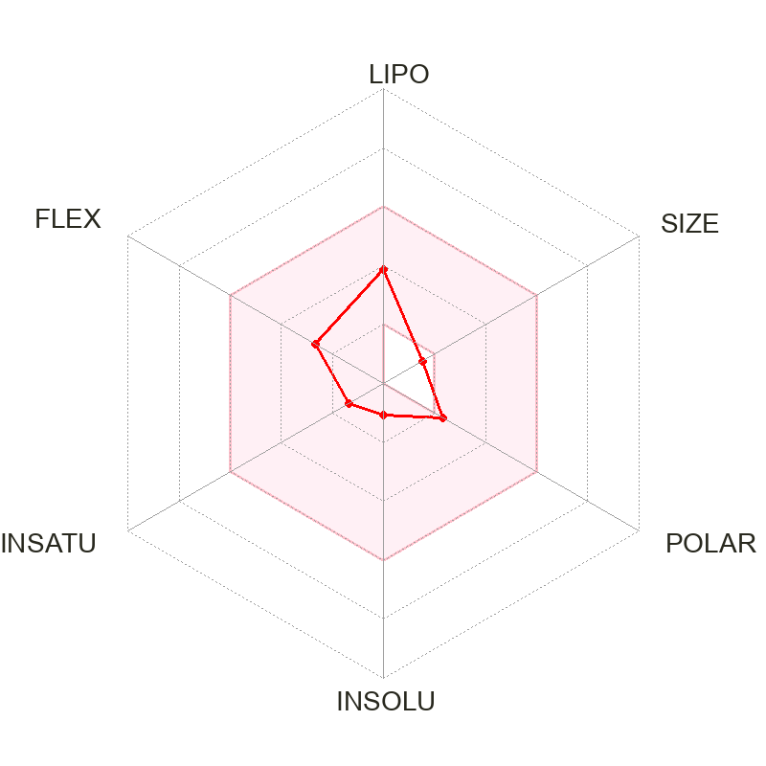 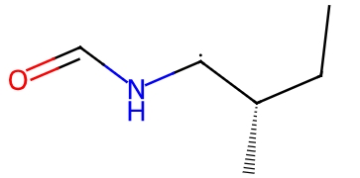 | 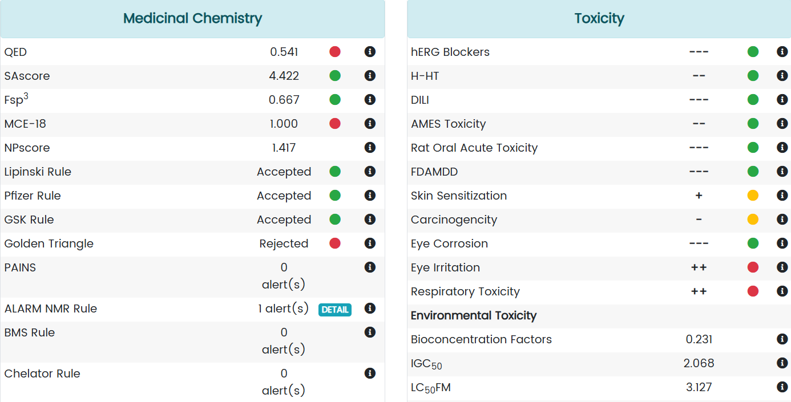 | Nil | 

3.) | C46H71N13O12 | CHEMBL414313 | CC[C@H](C)[C@H](NC(=O)[C@H] (Cc1ccc(O)cc1)NC(=O)[C@@H] (NC(=O)[C@H](CCCN=C(N)N)NC (=O)[C@@H](N)CC(=O)O)C(C)C) C(=O)N[C@@H](Cc1c[nH]cn1)C(=O) N1CCC[C@H]1C(=O)N[C@H](C(=O)O)C(C)C | 998.15 | 2.89 | 3 | 2 | 0 | 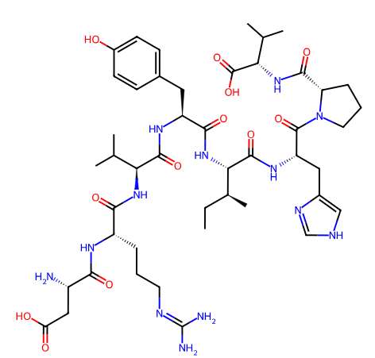 | 0 | GI absorption High BBB permeant Yes P-gp substrate No CYP1A2 inhibitor No CYP2C19 inhibitor No CYP2C9 inhibitor No CYP2D6 inhibitor No CYP3A4 inhibitor No Log Kp (skin permeation) -6.20 cm/s Lipinski Yes; 0 violation Ghose No; 2 violations: MW<160, MR<40 Veber Yes Egan Yes Muegge No; 1 violation: MW<200 Bioavailability Score 0.55 | 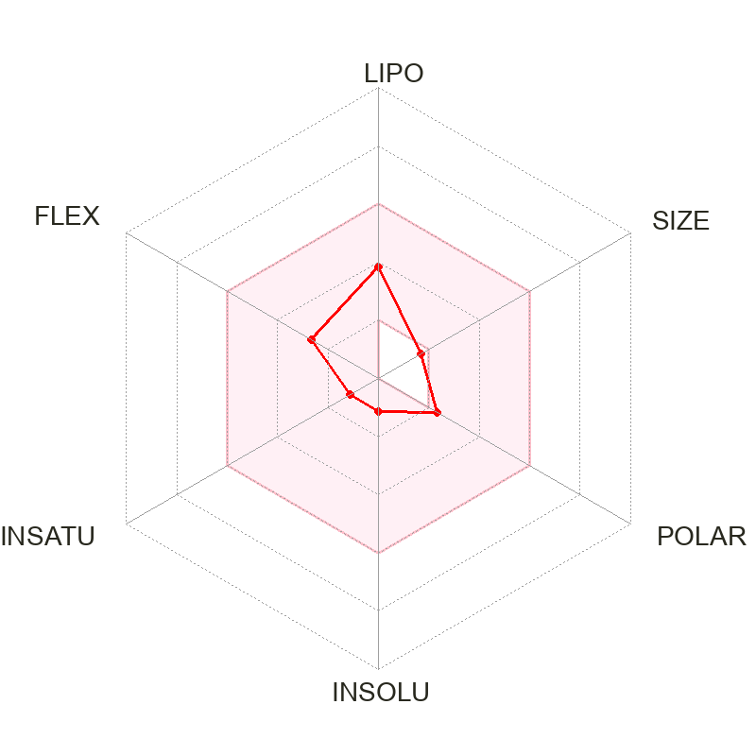 | 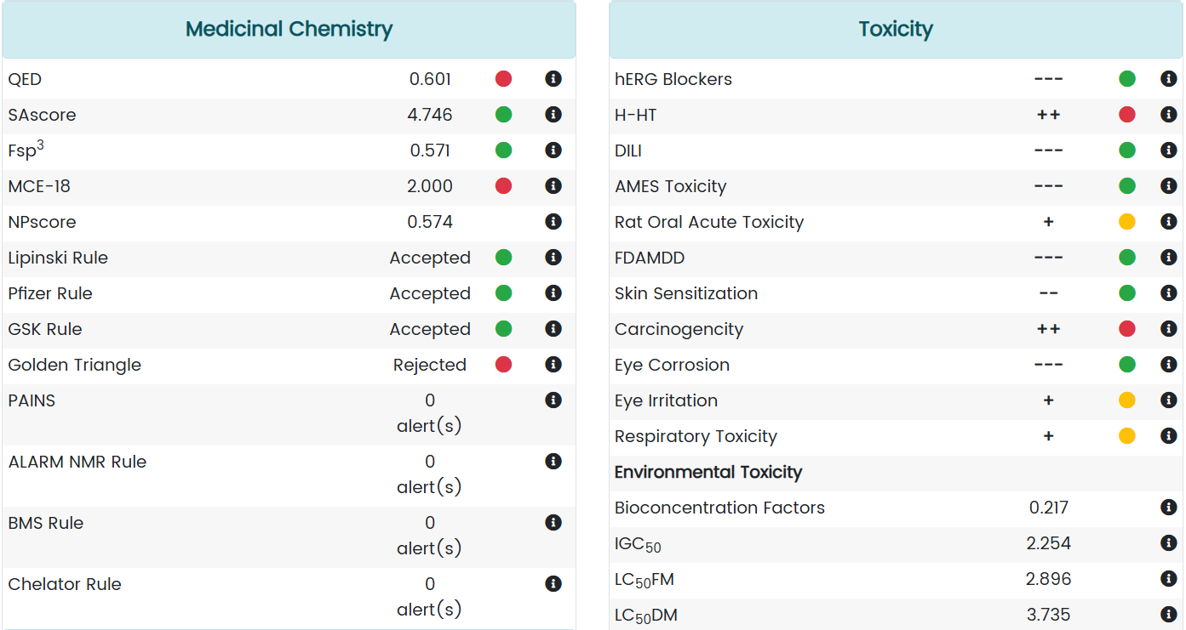 |  | 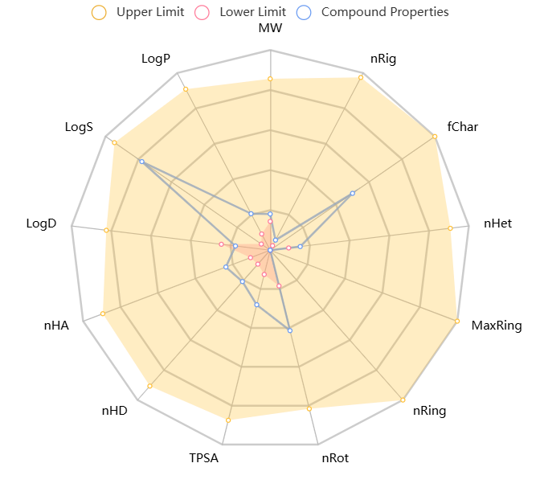

4.) | C50H72N14O12 | CHEMBL424755 | CC[C@@H](C)[C@H](NC(=O) [C@H](Cc1ccc(O)cc1)NC(=O) [C@@H](NC(=O)[C@H](CCCNC (=N)N)NC(=O)[C@@H](N)CC(=O )O)C(C)C)C(=O)N[C@@H](Cc1c nc[nH]1)C(=O)N1CCC[C@H]1C (=O)N[C@@H](Cc1ccc(N)cc1)C (=O)O | 1061.21 | 3.08 | 5 | 4 | 0 | 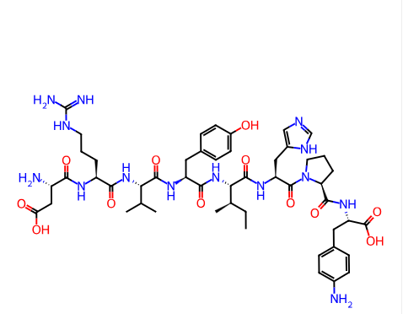 | 0 | GI absorption High BBB permeant Yes P-gp substrate No CYP1A2 inhibitor No CYP2C19 inhibitor No CYP2C9 inhibitor No CYP2D6 inhibitor No CYP3A4 inhibitor No Log Kp (skin permeation) -6.12 cm/s Lipinski Yes; 0 violation Ghose No; 2 violations: MW<160, MR<40 Veber Yes Egan Yes Muegge No; 1 violation: MW<200 Bioavailability Score 0.55 |  | 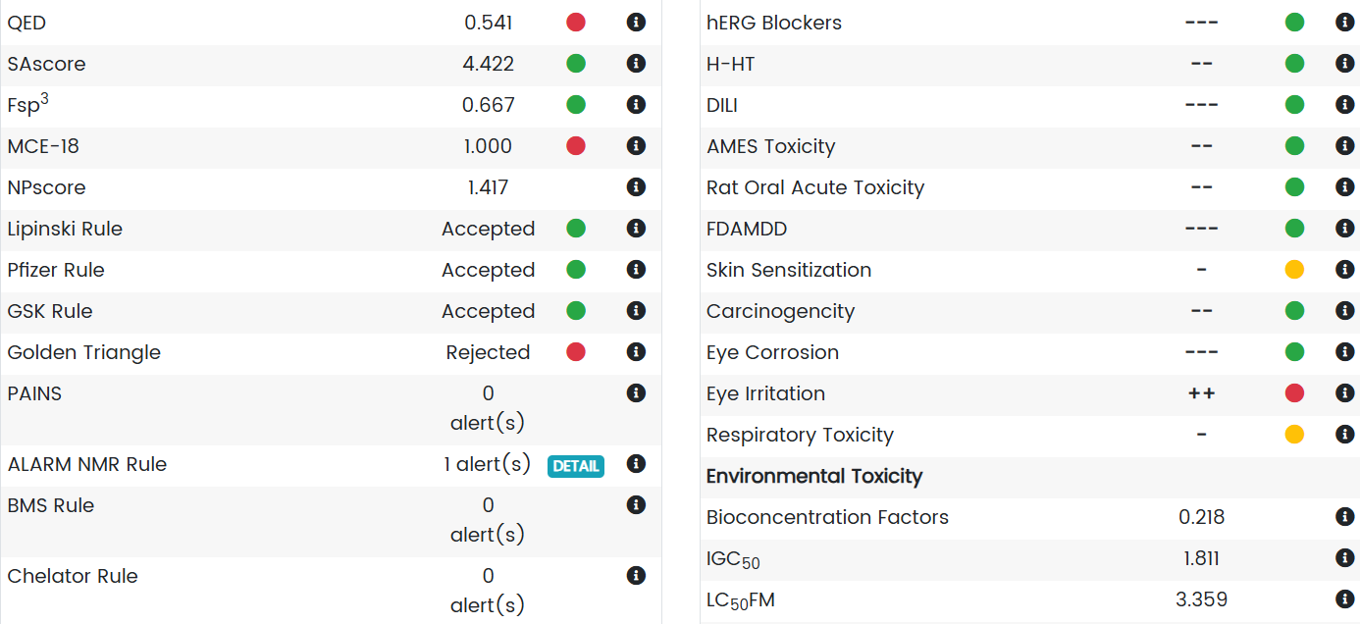 | Nil | 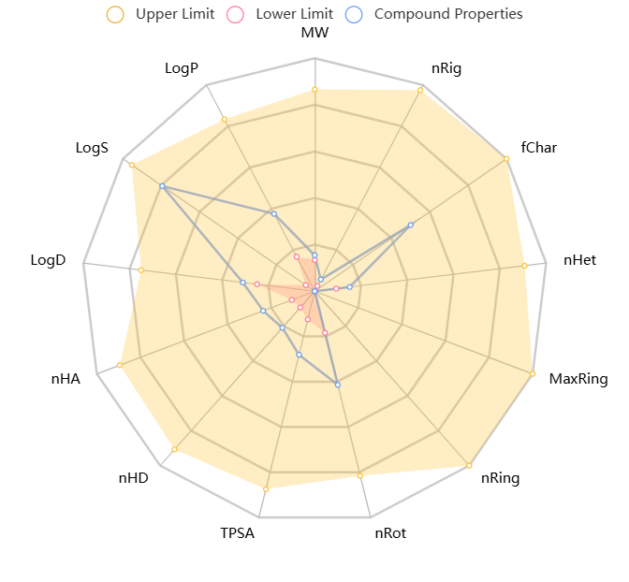

5.) | C40H60N12O11 | CHEMBL56448 | CC(C)[C@H](NC(=O)[C@H] (CCCN=C(N)N)NC(=O)[C@@H] (N)CC(=O)O)C(=O)N[C@@H] (Cc1ccc(O)cc1)C(=O)N[C@H] (C(=O)N[C@@H](Cc1c[nH]cn1) C(=O)N1CCC[C@H]1C(=O)O)C(C)C | 884.99 | 3.07 | 5 | 4 | 0 | 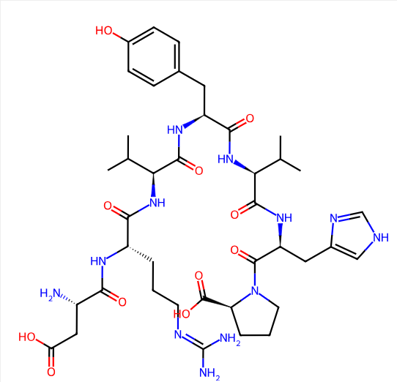 | 0 | GI absorption High BBB permeant No P-gp substrate No CYP1A2 inhibitor No CYP2C19 inhibitor No CYP2C9 inhibitor No CYP2D6 inhibitor No CYP3A4 inhibitor No Log Kp (skin permeation) -6.37 cm/s Lipinski Yes; 0 violation Ghose No; 3 violations: MW<160, MR<40, #atoms<20 Veber Yes Egan Yes Muegge No; 1 violation: MW<200 Bioavailability Score 0.55 | 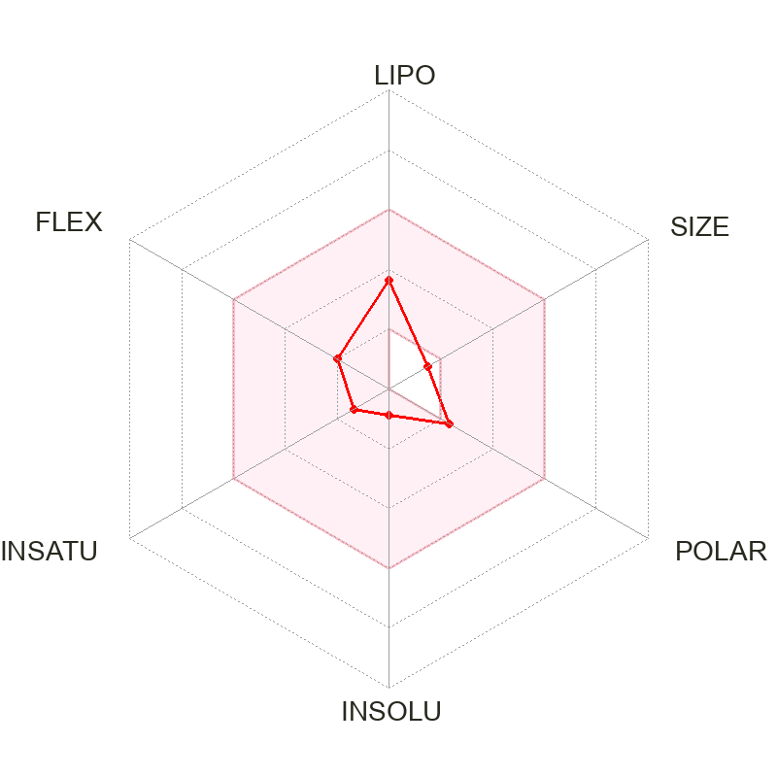 | 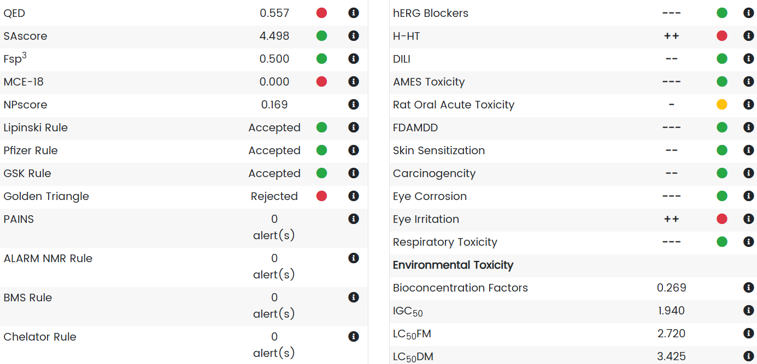 | Nil | 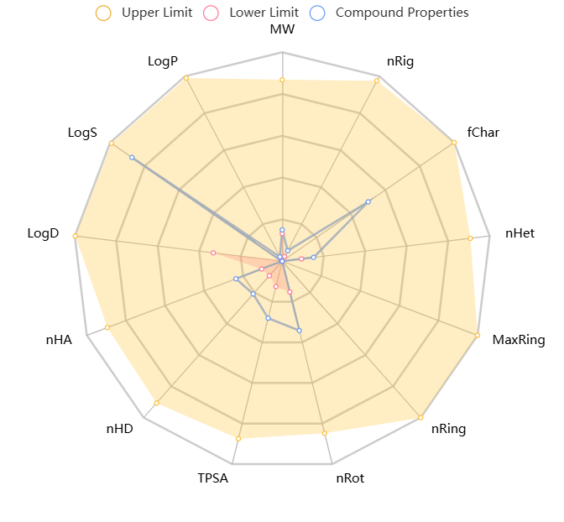

6.) | C49H75N13O12 | CHEMBL3248584 | CC[C@H](C)[C@H](NC(=O) [C@H](Cc1ccc(O)cc1)NC (=O)[C@@H](NC(=O)[C@H] (CCCNC(=N)N)NC(=O)[C@@H] (N)CC(=O)O)C(C)C)C(=O)N [C@@H](Cc1cnc[nH]1)C(=O) N1CCC[C@H]1C(=O)N[C@H](C (=O)O)C1CCCCC1 | 1038.22 | 4.09 | 3 | 2 | 0 | 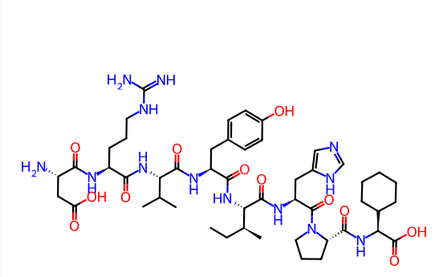 | 0 | GI absorption High BBB permeant No P-gp substrate No CYP1A2 inhibitor No CYP2C19 inhibitor No CYP2C9 inhibitor No CYP2D6 inhibitor No CYP3A4 inhibitor No Log Kp (skin permeation) -6.37 cm/s Lipinski Yes; 0 violation Ghose No; 3 violations: MW<160, MR<40, #atoms<20 Veber Yes Egan Yes Muegge No; 1 violation: MW<200 Bioavailability Score 0.55 |  | 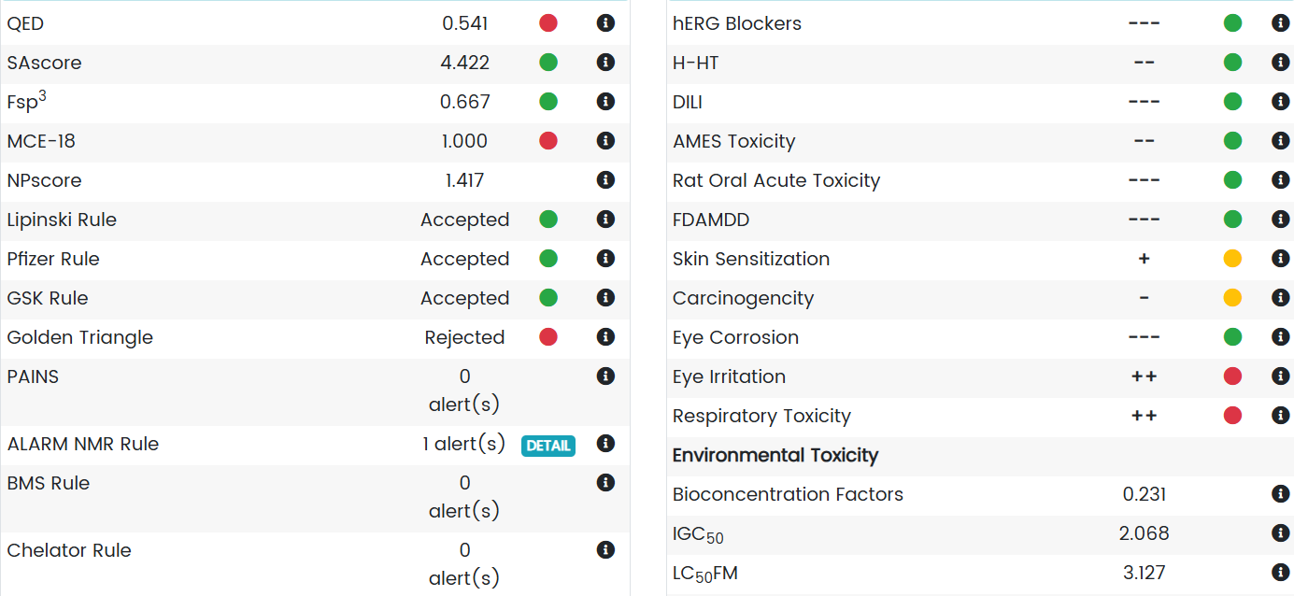 | Nil

7.) | C49H69N13O12 | CHEMBL217690 | CC(C)[C@H](NC(=O)[C@H] (Cc1ccc(O)cc1)NC(=O)C1 (NC(=O)[C@H](CCCN=C(N)N) NC(=O)[C@@H](N)CC(=O)O) CCCC1)C(=O)N[C@@H](Cc1c [nH]cn1)C(=O)N(C)[C@@H] (C)C(=O)N[C@@H](Cc1ccccc1) C(=O)O | 1032.17 | 3.05 | 4 | 3 | 0 | 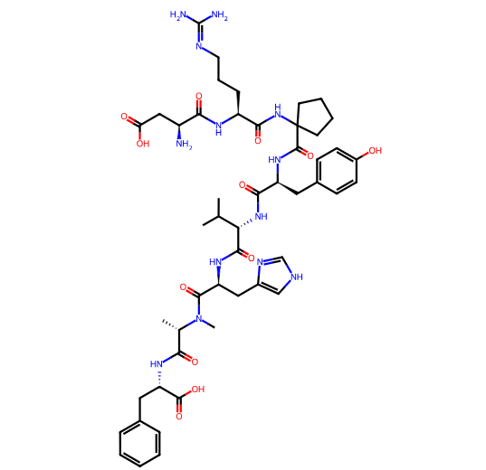 | 0 | GI absorption High BBB permeant No P-gp substrate No CYP1A2 inhibitor No CYP2C19 inhibitor No CYP2C9 inhibitor No CYP2D6 inhibitor No CYP3A4 inhibitor No Log Kp (skin permeation) -6.37 cm/s Lipinski Yes; 0 violation Ghose No; 3 violations: MW<160, MR<40, #atoms<20 Veber Yes Egan Yes Muegge No; 1 violation: MW<200 Bioavailability Score 0.55 |  | 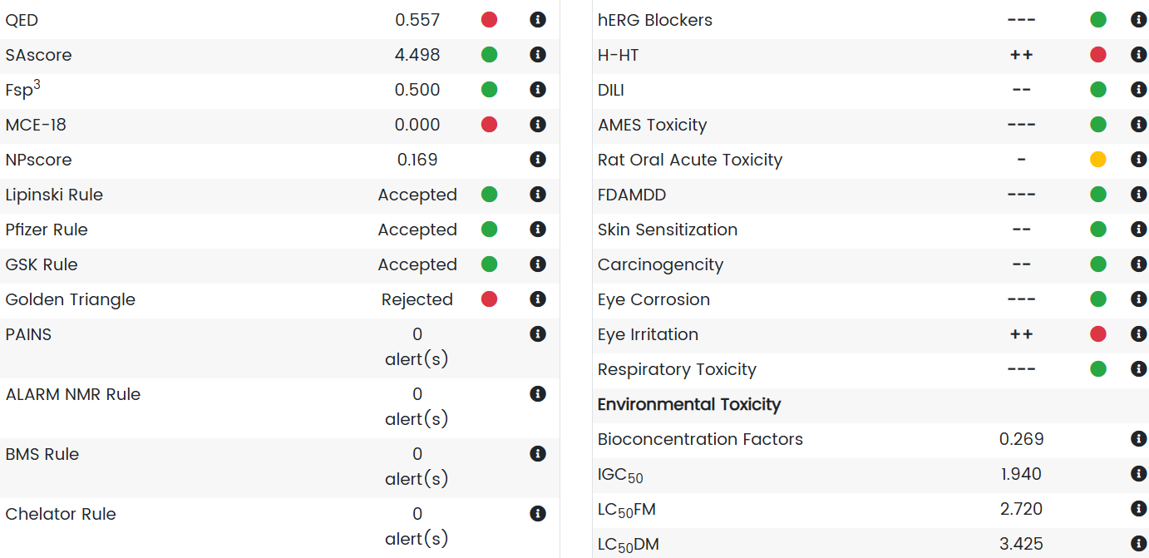 | Nil | 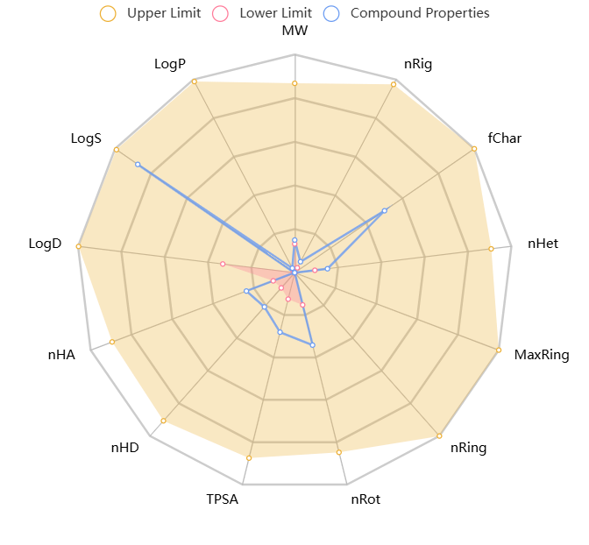

8.) | C48H75N13O12 | CHEMBL3276829 | CC[C@H](C)[C@H](NC(=O) [C@@H]1CCCN1C(=O)[C@H] (Cc1cnc[nH]1)NC(=O) [C@@H](NC(=O)[C@H] (Cc1ccc(O)cc1)NC(=O) [C@@H](NC(=O)[C@H](CCCNC (=N)N)NC(=O)[C@H](CC(=O) O)NC)C(C)C)[C@@H](C)CC)C(=O)O | 1026.21 | 4.07 | 4 | 2 | 0 | 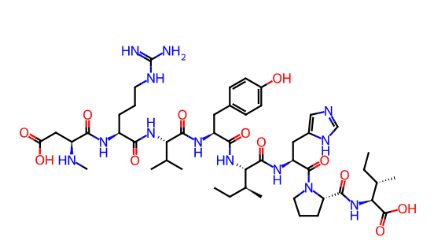 | 0 | GI absorption High BBB permeant Yes P-gp substrate No CYP1A2 inhibitor No CYP2C19 inhibitor No CYP2C9 inhibitor No CYP2D6 inhibitor No CYP3A4 inhibitor No Log Kp (skin permeation) -6.12 cm/s Lipinski Yes; 0 violation Ghose No; 2 violations: MW<160, MR<40 Veber Yes Egan Yes Muegge No; 1 violation: MW<200 Bioavailability Score 0.55 |  | 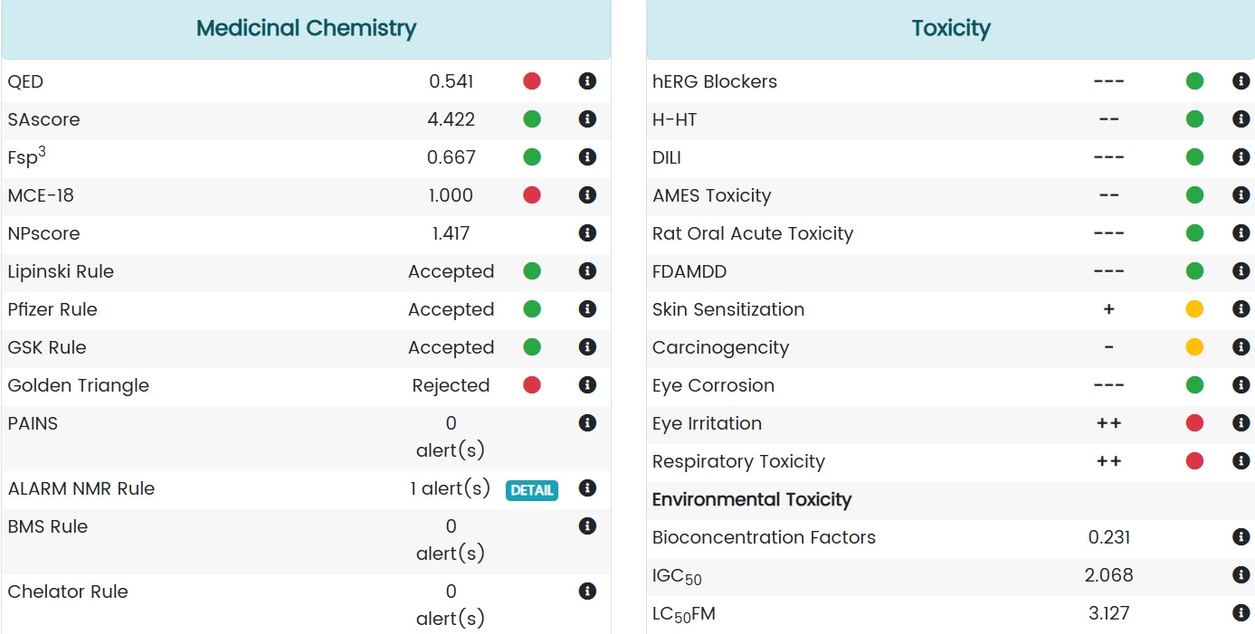 | Nil | 

9.) | C47H73N13O12 | CHEMBL3248588 | CCCC[C@H](NC(=O)[C@@H]1 CCCN1C(=O)[C@H](Cc1cnc [nH]1)NC(=O)[C@@H](NC(=O) [C@H](Cc1ccc(O)cc1)NC(=O) [C@@H](NC(=O)[C@H](CCCNC (=N)N)NC(=O)[C@@H](N)CC(=O )O)C(C)C)[C@@H](C)CC)C(=O)O | 1012.18 | 4.87 | 3 | 1 | 0 | 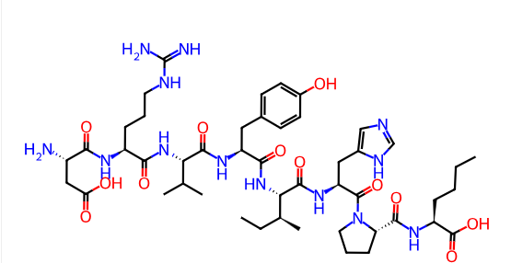 | 0 | GI absorption BBB permeant P-gp substrate CYP1A2 inhibitor CYP2C19 inhibitor CYP2C9 inhibitor CYP2D6 inhibitor CYP3A4 inhibitor Log Kp (skin permeation) cm/s Lipinski ; violation Ghose Veber Egan Muegge Bioavailability Score | 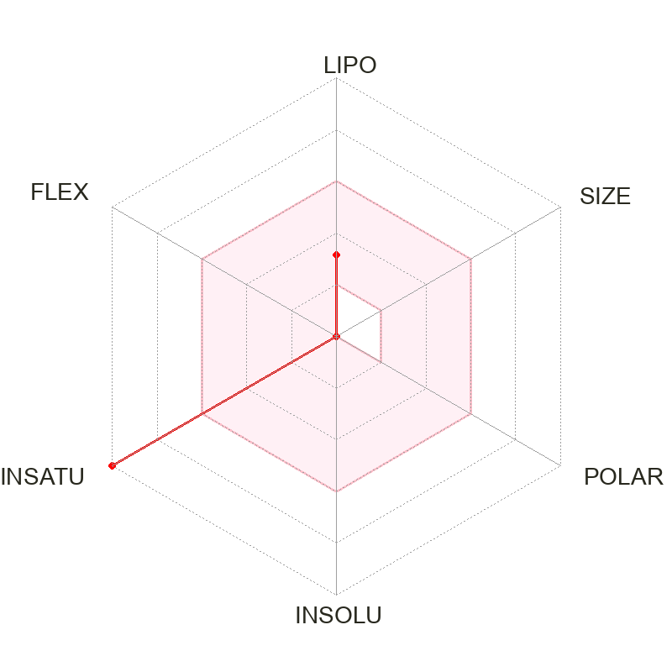 | Nil | Nil | Nil

10.) | C42H65N13O10 | CHEMBL4542709 | CCC[C@H](NC(=O)[C@H] (Cc1ccc(O)cc1)NC(=O) [C@@H](NC(=O)[C@H] (CCCNC(=N)N)NC(=O)CNC) C(C)C)C(=O)N[C@@H] (Cc1cnc[nH]1)C(=O)N1CCC [C@H]1C(=O)N[C@H](C)C(=O)O | 912.06 | 5.01 | 5 | 3 | 0 | 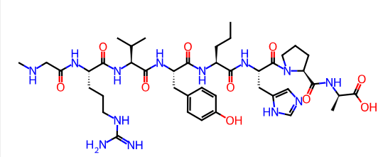 | 0 | GI absorption High BBB permeant No P-gp substrate No CYP1A2 inhibitor No CYP2C19 inhibitor No CYP2C9 inhibitor No CYP2D6 inhibitor No CYP3A4 inhibitor No Log Kp (skin permeation) -6.29 cm/s Lipinski Yes; 0 violation Ghose No; 3 violations: MW<160, MR<40, #atoms<20 Veber Yes Egan Yes Muegge No; 1 violation: MW<200 Bioavailability Score 0.55 | 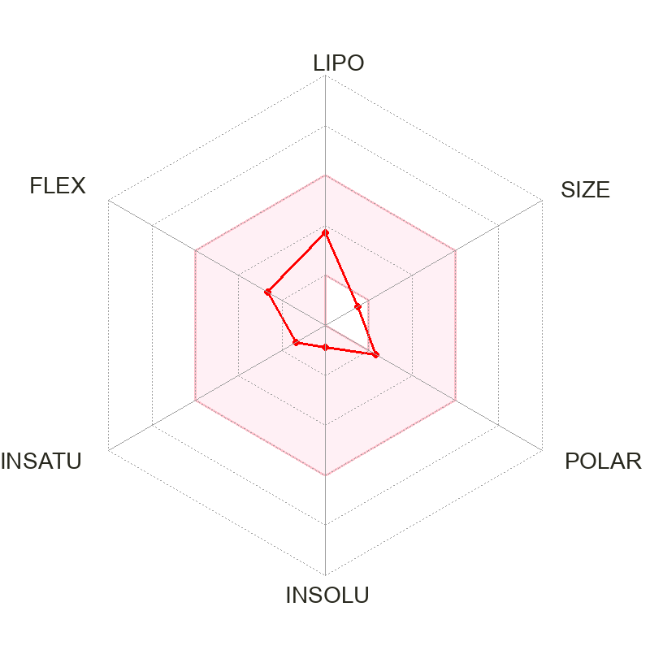 | 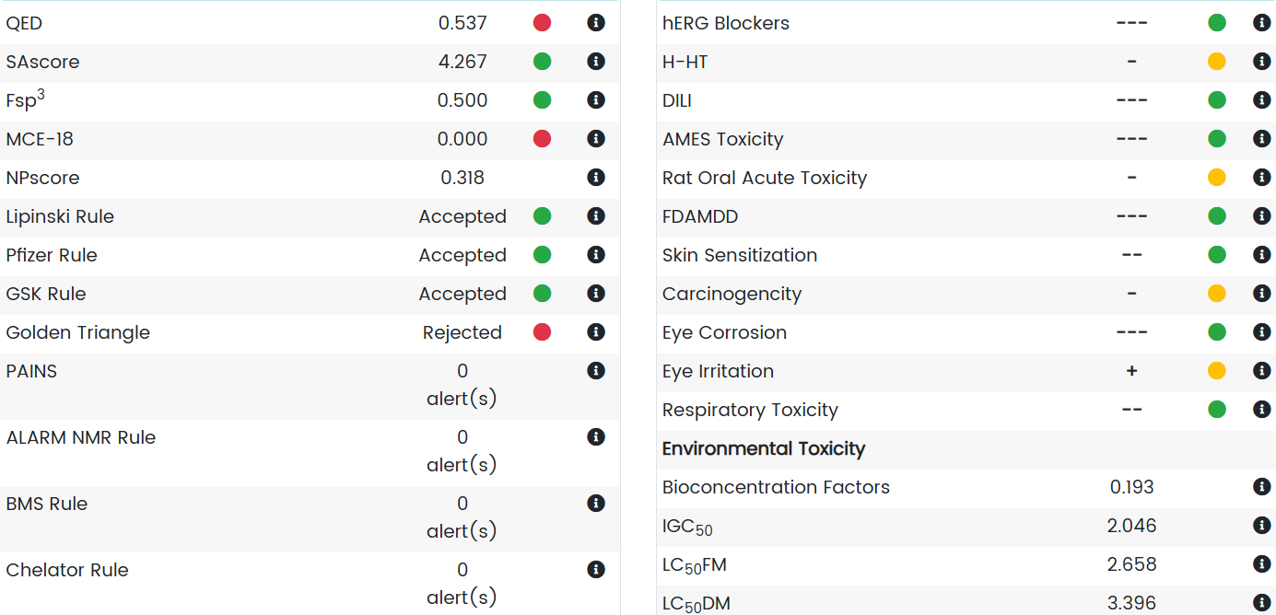 | Nil | 